FrontPage
1 | Add a search bar
2 | Show photos for each manuf up top
3 | Filter out devices
4 | Once you select a manufacturer you can see some details about them and a grid with all their device

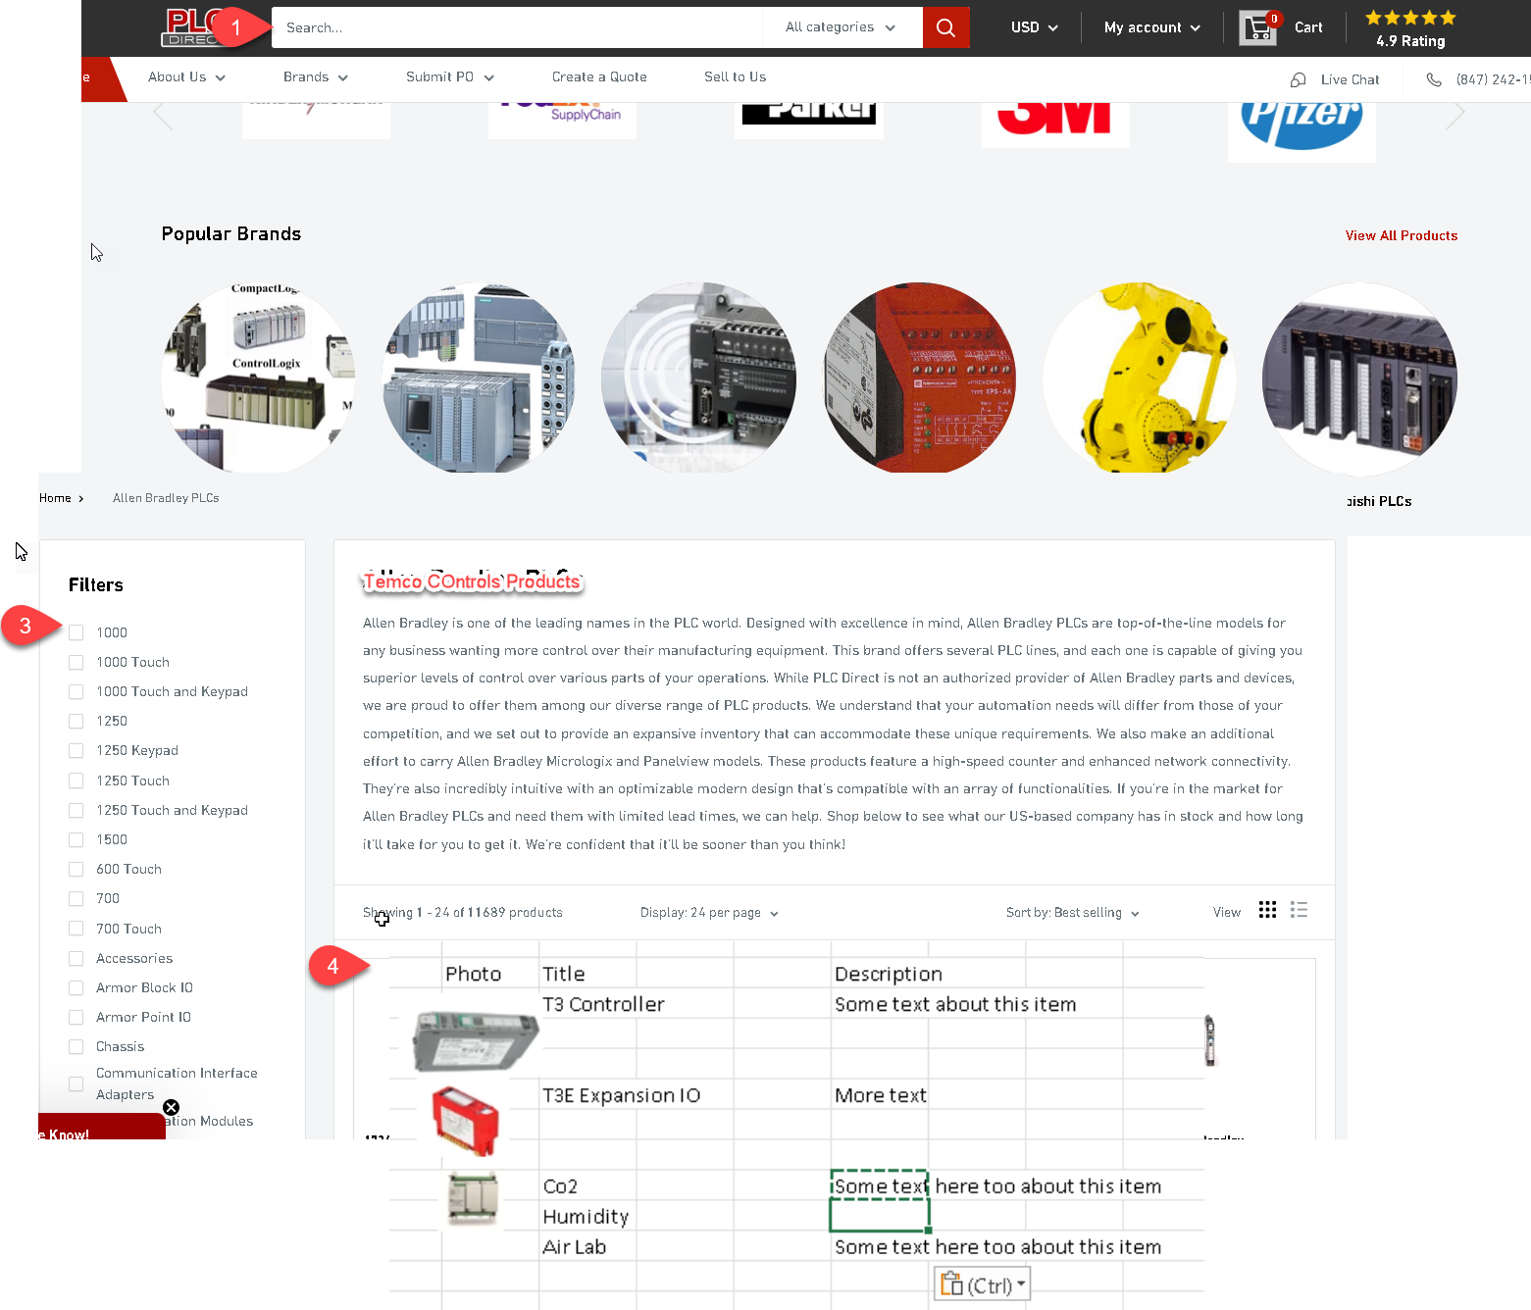

 | Photo | Title | Description
 |  | T3 Controller | Some text about this item

 |  | T3E Expansion IO | More text

 |  | Co2 | Some text here too about this item
 |  | Humidity
 |  | Air Lab | Some text here too about this item

